BIGY F150MX
BIKE REF FOR ORDERS： 22-BIGYF-150E-STD |  | 2022-03-01 | BIKE NAME : BIGY FACTORY 150E MX 2022
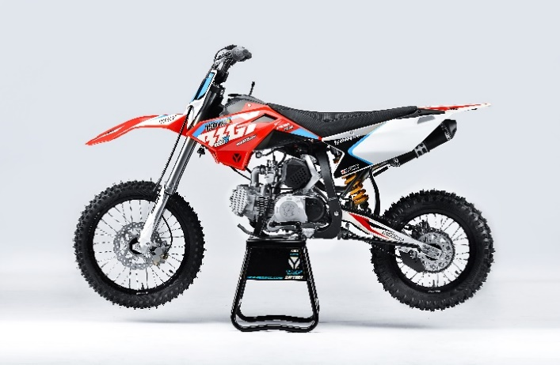 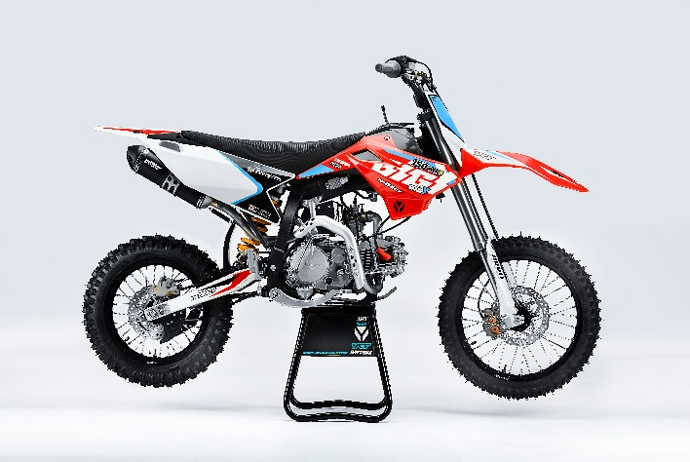 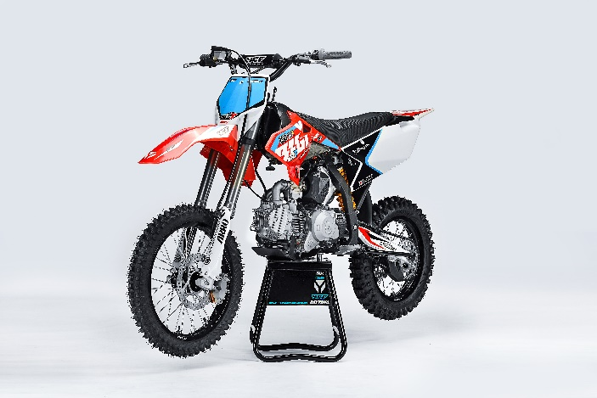 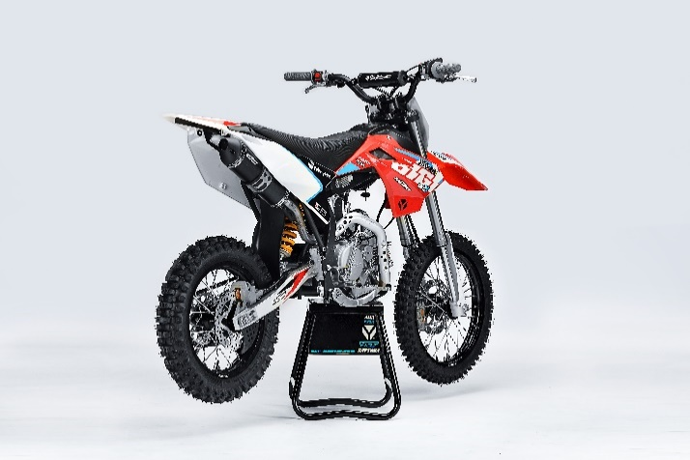
Handle bar assembly
50A = YCF50A
50E = YCF50E
W88E = START W88E
L88 = LITE88 L125 = LITE125
S88S = START F88S
S125S = START F125S
S125SE = START F125SE
S125 = STARTF125
P88 = PILOT 88
P125 = PILOT 125
P150 = PILOT 150
SM125 = START SM125S
SM150 = PILOT SM 150
SP1 = FACTORY SP1
SP2 = FACTORY SP2
SP3 = FACTORY SP3
B125 = BIGY 125MX
B150 = BIGY 150MX
BF150 = BIGY F150MX
BFD190 = BIGY FD190MX
BFZ190 = BIGY ZE190 MX
S147 = SUNDAY 150
S187 = SUNDAY 190
N° | Ref. | Description | Français | Picture | Qty/Bike | Model
1 | GALOW-03-BK | Complete Aluminium Handle Bar, "LOW" shape Black L=780mm complete with bar pad and pvc BLACK | Guidon aluminium "BAS" L=780mm complet avec mousse et pvc NOIR |  | 1 | BF1501722/BFZ1901822
2 | YC110-0131-03 | Complete Bar Pad for Chromolly Handlebar L=195mm BLACK | Mousse guidon complete pour guidon Chromolly L=195mm NOIR |  | 1 | SM1501822/SP22822/BF1501822/BFZ1901822
3 | YC110-0153-01 | Handle bar plastic cap | Embout plastique de guidon |  | 1 | ALL BIKES 2122
4 | YC110-0138-03 | YCF complete Throttle Assy. 2020 with YCF GREY | Poignee gaz complete YCF 2020 avec Paire de poignée YCF GRIS 2020 |  | 1 | SM1501422/SP11422/SP22122/SP31422/BF1501722/BFD1901722/BFZ1901722/S1471822/S1871822
5 | PPC011-GY | YCF set of grip GREY 2020 | Paire de poignée caoutchouc YCF GRISE 2020 |  | 1 | ALL BIKES 22
6 | YC110-0135-02 | Cnc adjustable bracket with lever 2020 | Cocotte CNC reglage rapide avec levier embrayage 2020 |  | 1 | S12522/P12522/P15022/SM15022/SP222/SP320/B12522/B15022/BFD19022/BFZ19022/S14722/S18722
7 | YC110-0151-02 | Rubber on clutch lever adjustable screw 2020 | Caoutchouc levier embrayage molette reglage2020 |  | 1 | S12522/P12522/P15022/SM15022/SP222/SP322/B12522/B15022/BFD19022/BFZ19022/S14722/S18722
8 | YC110-0136-01 | Rubber on clutch lever | Caoutchouc levier embrayage |  | 1 | S1251822/P1251822/P1501822/SM1501822/SP22822/SP31822/B1251822/B1501822/BF1501822/BFD1901822/BFZ1901822/S1471822/S1871822
9 | YC110-0134-04 | Clutch bracket Assy | Cocotte embrayage complete |  | 1 | P12522/P15022/SM15022/SP22822/SP31822/BIGY125Mx22/BIGY150Mx22/BIGYF150Mx1822/BIGYFD200Mx1822/BIGYZE200Mx1822/FT14722/FT18722
10 | BT08-M6x20-W | Hex.Bolt M6x20 mm for clutch lever bracket | vis M6x20 mm pour cocotte embrayage |  | 2 | ALL BIKES 22
11 | YC110-0103-07 | Clutch lever 2020 (with FB13-8x10x10.5-Cu 1EA FB13-8x10x9.4-Cu 1EA ) complete with bushings and washer | Levier embrayage 2020 (avec FB13-8x10x10.5-Cu 1EA FB13-8x10x9.4-Cu 1EA ) avec entretoises et rondelle |  | 1 | S12522/P12522/P15022/SM15022/SP222/SP322/B12522/B15022/BFD19022/BFZ19022/S14722/S18722
12 | YC110-0105-15 | Kill Switch ON/OFF L=580mm | Coupe circuit on off L=580mm |  | 1 | ALL BIKES 1222
13 | YC110-0106-18 | Throttle Cable L=960mm A+B=120mm 2022 (FOR NIBBI PE19) | Cable gaz L=960mm A+B=120mm 2022 (POUR NIBBI PE19) |  | 1 | 22-BIGY F-150-STD
14 | YC110-0143-01 | Rubber on trottle cable | Protection caoutchouc cable de gas |  | 1 | ALL BIKES 1722
15 | YC110-01-03-BK | Cable tie L= 150mm BLACK | collier maintien cable L= 150mm NOIR |  | 3 | ALL BIKES
16 | YC110-01-05-WH | Cable tie L=350mm WHITE | collier maintien cable L=350mm BLANC |  | 1 | ALL BIKES 1222
17 | YC110-0139-02 | Start switch Waterproof L=500mm | Bouton demareur ETANCHE L=500mm |  | 1 | BIGYF1501722
18 | YC110-0107-17 | Clutch Cable Assy. L=1045mm A+B=70mm | Cable embrayage L=1045mm A+B=70mm |  | 1 | BIGYF1501722

Steering stem assembly

N° | Ref. | Description | Français | Picture | Qty/Bike | Model
1 | YC110-02-053-BK | Complete Triple Clamp (TOPd45mm / BOTTOM d48mm) adjustable bar mount 2022 BLACK | Te Fourche Complet (TE SUPd45mm / TE INF d48mm) pontet ajustable 2022 NOIR |  | 1 | W88E22/S88SE22/S12522/S125SE22/SM12522/SM15022/SP222/B12522/B15022/BFZ19022
2 | YC110-0201-03 | Steering stem L=233mm | tige colonne direction L=233mm |  | 1 | S12522/S125S1122/S125SE1522/P1251122/P1501122/SM1251222/SM1501322/SP11322/SP21322/SP31322/B1251722/B1501722/BFD1901722/BFZ1901822/S1471822/S1871822
3 | YC110-0202-56-BK | Lower triple clamp 160mm d48mm H=28mm 2020 MATT BLACK | té fourche inferieur 160mm d48mm H=28mm 2020 NOIR MAT |  | 1 | W88E22/S88SE22/S12522/S125SE22/SM12522/SM15022/SP222/B12522/B15022/BF15022/BFZ19022
4 | YC110-0201-56-BK | Top Triple Clamp160mm d45mm H=28mm 2022 MATT BLACK | té fourche supérieur 160mm d45mm H=28mm 2022 NOIR MAT |  | 1 | W88E22/S88SE22/S12522/S125SE22/SM12522/SM15022/SP222/B12522/B15022/BF15022/BFZ19022
5 | YC110-0203-035 | Set of Bar mount not adjustable d22.2mm/bottom 55mm START Type BLACK （with GB70-M10x50x1.5W 2EA+BT08-M8x30-W 4EA） | jeu pontet guidon non ajustable d 22.2mm / pontet bas 55mm Type START NOIR （with GB70-M10x50x1.5W 2EA+BT08-M8x30-W 4EA） |  | 2 | W88E22/L8822/S88SE22/L12522/S12522/S125SE22/P12522/P15022/SM12522/SM15022/SP222/B12522/B15022/BFZ19022
6 | YC110-0203-32 | 2020 Lower Bar Mount CNC BIGY type,d22.2 H=55mm BLACK | Pontet guidon inférieur type BIGY d22.2 H=55 mm NOIR 2020 |  | 2 | 50A22/50E22/W88E22/L8822/L12522/S88SE22/S12522/S125SE22/P12522/P15022/SM12522/SM15022/SP2/B12522/B15022/BFZ19022
7 | YC110-0201-02 | Top Bar Mout CNC 2020 d22.2mm H=18mm START Type BLACK | pontet guidon supérieur 2020 d22.2mm H=18mm Type START NOIR |  | 2 | W88E22/L8822/S88SE22/L12522/S12522/S125SE22/P12522/P15022/SM12522/SM15022/SP220/B12522/B15022/BFZ19022
8 | BT08-M6x25-W | Hex.Bolt M6x25mm for clamp (sides top and bottom) | vis M6x25mm pour tes (cotes superieur et inferieur) |  | 8 | ALL BIKES 22
9 | BT08-M8x30-W | Hex.Bolt M8x30mm for top bar mount | vis M8x30mm pour pontet superieur |  | 4 | W88E22/S88SE22/L8822/L12522/S12522/S125SE22/P12522/P15022/SM12522/SM15022/SP222/SP322/B12522/B15022/BFD19022/BFZ19022
10 | GB70-M10x50x1.5W | Hex. Bolt M10x50mm (step 1.5) for 2020 bar mounts | Vis centrale M10x50mm (pas 1.5) pour pontets 2020 |  | 2 | W88E22/S88SE22/L8822/L12522/S12522/S125SE22/P12522/P15022/SM12522/SM15022/SP222/B12522/B15022/BFZ19022
11 | YC110-0212-09-RD | Front Number Plate BIGY 2017 complete RED | PLAQUE AVANT BIGY 2017 complete ROUGE |  | 1 | BIGYF15022
12 | BT08-M6x10-W | Hex.Bolt M6x10mm for front No plate | vis M6x10mm pour plaque No avant |  | 1 | ALL BIKES2022
13 | GB97-d12-W | Flat washer d12 | Rondelle d12 |  | 2 | ALL BIKES2022
14 | KRDIRECTION46 | set of bearing for steering 46/23.5、46/22 | kit rlt colonne direction 46/23.5、46/22 |  | 1 | 50A222/50E22/W88E22/S88SE22/L8822/L12522/125S1522/S125SE1522/P1251322/P1501322/SM1251322/SM1501322/SP11122/SP22122/SP31222/B1251722/B1501722/BF1501720/BFD1901722/BFZ1901720/S1471822/S1871822
15 | YC110-02-09 | Top nut for steering d54.5mm | écrou crantellé colonne direction d54.5mm |  | 1 | ALL BIKES 1222
16 | YC110-02-10 | Washer for steering stem nut d22.5mmxd37mmx0.7mm | joint colonne direction d22.5mmxd37mmx0.7mm |  | 2 | ALL BIKES 1222
17 | YC110-02-11 | Nut for steering stem M22 | Ecrou supérieur colnne direction M22 |  | 1 | ALL BIKES 1222
18 | YC110-0224-01-WH | YCF Break Line Retainer White with screw and washer（with GB9074.5-M4x10-W 1EA ） | Guide durite sur plaque avant avec vis et rondelle YCF Blanc |  | 1 | 50A22/50E22/W88E22/S88SE22/L8822/L1251622/S125SE1522/P1251422/P1501422/SM1251422/SM1501422/SP11422/SP22422/SP31422/B1251722/B1501722/BF1501722/BFD1901722/BFZ1901720
19 | GB97-d4-W | flat washer d4mm for Break Line Retainer front No plate | rondelle d4mm pour guide durite plaque No avant |  | 1 | ALL BIKES 1222
20 | GB818-M4x10-W | Plus screw M4x10mm for Break Line Retainer front No plate | vis M4x10mm pour guide durite plaque No avant |  | 1 | ALL BIKES 1222
21 | YC110-0223-10 | Front plastic plate to hold cables 75mmx100mm | Plaque avant plastique maintien cables 75mmx100mm |  | 1 | ALL BIKES 22
22 | YC110-0223-08 | Number plate bracket | support plaque avant |  | 1 | ALL BIKES 1622
23 | GBT5787-M6x16-3 | Hex. Bolt with flanged for front plastic plate M6x16mm (spacer 3mm) | vis M6x16mm pour support plaque avant (deport 3mm ) |  | 1 | ALL BIKES2022
24 | YC110-01-08-BK | Cable tie ADJUSTABLE BLACK for Front plastic plate to hold cables | Collier maintien cable AJUSTABLE NOIR pour plaque avant plastique |  | 2 | S1251422/S125SE1522/P1251422/P1501422/SM1251622/SM1501622/SP11622/SP22622/SP31622/B1251722/B1501722/BF1501722/BFD190ZE1722/BIGYF190D1722
25 | YC110-02-20 | Washer for steering stem nut d22mm (top)/d24mm (bottom)-d47mm | Joint pour colonne direction d22mm (haut)/d24mm (bas) -d47mm |  | 1 | S1251422/S125S1422/S125SE1422/P1251422/P1501422/SM1251422/SM1501422/SP11422/SP22422/SP31422/B1251722/B1501722/BF1501722/BFD1901722/BFZ1901822/S1471822/S1871822/S88SE22

Front Fender

N° | Ref. | Description | Français | Picture | Qty/Bike | Model
1 | YC110-032-10-RD | Front Fender BIGY 2020 Wide RED | gb avant BIGY 2020 Large ROUGE |  | 1 | BIGYF150E22
2 | GBT5787-M6x16-6 | Hex. Bolt with flanged M6x16mm (spacer 6mm) for front mudguard (bottom) | vis M6x16mm (deport 6mm) pour garde boue avant (dessous) |  | 3 | 50A22/50E22/W88E1822/S88SE1822/L8822/L12522/S12522/S125SE1822/P1251822/P1501822/SM1251822/SM1501822/SP22822/SP31822/B1251822/B1501822/BF1501722/BFD19017820/BFZ1901822
3 | GBT5787-M6x16-3 | Hex. Bolt with flanged M6x16mm front mudguard (spacer 3mm) for front mudguard (top) | vis M6x16mm garde boue avant (deport 3mm ) pour garde boue avant (dessus) |  | 2 | 50A22/50E22/W88E1822/S88SE1822/L8822/L12522/S12522/S125SE1822/P1251822/P1501822/SM1251822/SM1501822/SP21822/SP31822/B1251822/B1501822/BF1501722/BFD19017820/BFZ1901822

Front & Rear absorber

N° | Ref. | Description | Français | Picture | Qty/Bike | Model
...
N° | Ref. | Description | Français | Picture | Qty/Bike | Model
17 | LK-FLK-32 | Slow Jet Nibbi #32 | Gicleur ralenti Nibbi #32 |  | 1 | L12522/S12522/S125S22/S125SE22/P12522/P15022//SP122/SP222/B15022/BF15022/SUNDAY14722
18 | BT08-M6x30-W | Hex.Bolt M6x30mm for carburetor fixation on inlet pipe | vis M6x30mm pour fixation carburateur sur pipe admission |  | 2 | ALL BIKES 2122
19 | GB6170-M6-W | Hex flanged self locking nut M6 for carburetor fixation on inlet pipe | écrou M6 pour fixation carbu sur pipe admission |  | 2 | ALL BIKES 1522(BUT 50A-E)
20 | 17311-2-01 | Inlet Pipe,Pro 2022 | PIPE ADMISSION 2022 |  | 1 | B12522/B15022/BF150
21 | BT08-M6x20-W | Hex.Bolt M6x20mm for inlet pipe fixation (on engine) | vis M6x20mm pour fixation pipe admission (sur moteur) |  | 2 | BIKES 22
22 | 17332 | carburettor paper gasket d28 | joint papier carburateur d28 |  | 1 | S88SE1522/L881722/L1251622/S125S1322/S125SE1522/S12522/P1251322/P1501322/SM1251322/SM1501322/SP11322/SP21322/B1251722/B1501722/BF1501722/S1471822
23 | 17332/152FMH01 | Intake Gasket d.28mm | JT PAPIER PIPE ADMISSION d.28mm |  | 1 | S88SE1522/L881722/L1251622/S125S1322/S125SE1522/S12522/P1251322/P1501322/SM1251322/SM1501322/SP11322/SP21322/B1251722/B1501722/BF1501722/S1471822
24 | F00C039 | carburettor isolating gasket d27.5 | joint plastique carburateur d27.5 |  | 1 | S88SE1522/L881722/L1251622/S125S1322/S125SE1522/S12522/P1251322/P1501322/SM1251322/SM1501322/SP11322/SP21322/B1251722/B1501722/BF1501722/S1471822

Foot Peg assy
 |  | 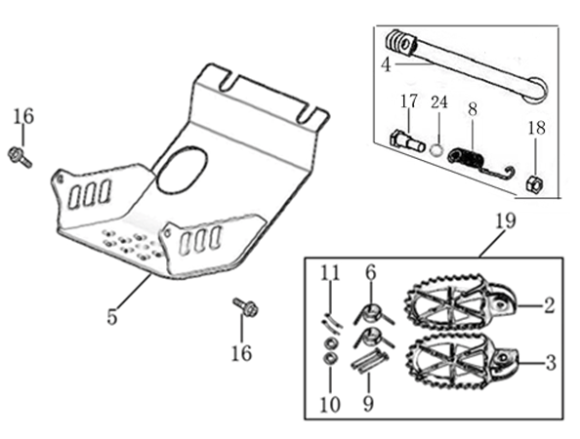
N° | Ref. | Description | Français | Picture | Qty/Bike | Model
1 | YC110-0902/05 | Inox foot pegs set Large | Jeu repose pied inox Large |  | 1 | SP1322/SP21322/SP31422/BF1501722/BFD1901722/BFZ1901822/S1471822/S1871822
2 | YC110-0906 | Spring for inox foot peg (left/right) d2mmxd16mmx35mm | ressort repose pied (droit/gauche) inox d2mmxd16mmx35mm |  | 2 | SP1322/SP21322/SP31422/BF1501722/BFD1901722/BFZ1901822/S1471822/S1871822
3 | GB882-d8x45 | shaft pin for inox footpegs Stainless steel d8mmx45mm | axe repose pied inox Acier inoxydable d8mmx45mm |  | 2 | BIGY190ZE22/BIGY190D22/SP222/SP322
4 | GB97-d8-W | flat washer d8mmxd16mmx1mm | rondelle d8mmxd16mmx1mm |  | 2 | ALL BIKES 1122
5 | GB91-d2x25-W | Cotter pin 2.0x25mm | goupille 2.0x25mm |  | 2 | ALL BIKES 1322
6 | YC110-0904-07 | Kick stand L=340mm | bequille L=340mm |  | 1 | B1251722/B1501722/BF1501722/BFD1901722/BFZ1901822
7 | FB02-M10x1.5x30I | Stepped screw M10x35mm for kick stand (step 1.5) | vis bequille M10x35mm (pas1.5) |  | 1 | 50A1422/50E1622/W88E1822/S88SE1522/L881722/L1251622/S12522/S125S1422/S125SE1522/P1251422/P1501422/SM1251422/SM1501422/B1251722/B1501722/BF1501722/BFD1901722/BFZ1901822/S1471920/S1871822
8 | GB6172-M10-G | Hex. Nut M10 (step 1.5) | ecrou bequille M10 (pasl1.5) |  | 1 | ALL BIKES201422(BUTSP1/SP2/SP3)
9 | GB93-d10-W | Standard spring washer for kick stand d10mm | rondelle pour bequille d10mm |  | 1 | 50A1422/50E1622/W88E1822/S88SE1522/L881722/L1251622/S12522/S125S1422/S125SE1522/P1251422/P1501422/SM1251422/SM1501422/B1251722/B1501722/BF1501722/BFD1901722/BFZ1901822/S1471920/S1871822
...
N° | Ref. | Description | Français | Picture | Qty/Bike | Model
14 | FB13-10x14x6 | bushing 10x14x6MM for brake pedal | entretoise 10x14x6MM pour pédale de frein |  | 1 | SP11622/SP222/SP322/BFD19022/BFZ19022/S14722/S18722
15 | YC110-1223-02 | Aluminium brake pedal end cap 2020 | embout pédale de frein Aluminium 2020 |  | 1 | SP222/SP322/BFD19022/BFZ19022/S14722/S18722
16 | BT08-M6x25-W | Hex.Bolt M6x25mm | vis M6x25 |  | 2 | P12522/P15022/SM15022/SP222/SP322/B12522/B15022/BFD19022/BFZ19022/S14722/S18722
17 | 6900Z | Ball bearing 6900Z d10xd22x6mm | roulement Cylindre pedale 6900Z d10xd22x6mm |  | 2 | SP11622/SP222/SP322/BFD19022/BFZ19022/S14722/S18722
18 | GB70-M5x12 | Hex. Bolt M5x12mm | Vis M5x12mm |  | 3 | SP11622/SP222/SP322/BFD19022/BFZ19022/S14722/S18722
19 | YC110-1225-06 | Mount for rear break reservoir "extern" | fixation maitre cylindre frein arriere "externe" |  | 1 | P1251722/P1501722/SM1501722/SP11722/SP22722/SP31722/B1251722/B1501722/BFD1901722/BFZ1901822/S1471822/S1871822
20 | BT08-M6x16-W | Hex. Bolt e M6x16mm for rear break reservoir fixation | vis M6x16mm pour fixation maitre cylindre frein arriere |  | 2 | P12522/P15022/SM15022/SP222/SP322/B12522/B15022/BFD19022/BFZ19022/S14722/S18722
21 | BT08-M6x16-W | Hex.Bolt M6x16mm | vis M6x16mm |  | 2 | P12522/P15022/SM15022/SP222/SP322/B12522/B15022/BFD19022/BFZ19022/S14722/S18722

Exhaust system
 |  | 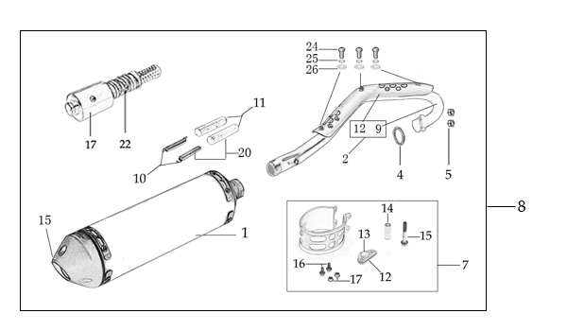
N° | Ref. | Description | Français | Picture | Qty/Bike | Model
1 | YC110-139-12 | Complete Single Racing Muffler & Exhaust BIGY F150 E 2022 | Echapement complet BIGY F150 E 2022 |  | 1 | BIGYF15022/BIGYF150E22
2 | YC110-13014-04BK | Muffler RACING (2 springs) Black | silencieux YCF SP3 RACING Noir |  | 1 | SP21622/SP31622/BF1501622/BFD1901722/BFZ1901822
3 | YC110-13-35 | Muffler racing end cap | Embout silencieux racing |  | 1 | SP22122/SP31222/BF1501722/BFD1901722/BFZ1901822/S1471822/S1871822
4 | GB70-M5x20 | Plus screw M5x20mm for muffler end cap | vis M5x20mm pour Embout silencieux |  | 3 | SP22122/SP31222/BF1501722/BFD1901722/BFZ1901822/S1471822/S1871822
5 | GB93-d5 | Standard spring washer d5 for muffler end cap | rondelle d5 pour Embout silencieux |  | 3 | SP22122/SP31222/BF1501722/BFD1901722/BFZ1901822/S1471822/S1871822
6 | YC110-1317-02 | Noise reducer (spark arrestor) YCF SP | Bride de pot YCF SP |  | 1 | SP322/FT125SE22/FT147E22/FT14722/FT18722/BIGYF15022/BIGYF150E22/BIGYF190D
7 | GB70-M5x6 | Plus screw M5x6mm for muffler end cap | vis M5x6mm pour Embout silencieux |  | 3 | SP22122/SP31222/BF1501722/BFD1901722/BFZ1901822/S1471822/S1871822
8 | YC110-1302-28 | Exhaust pipe with protection plate BIGY-F150 2017 d28/32 | collecteur avec plaque BIGY-F150 2017 d28/32 |  | 1 | BIGYF150Mx22/BIGYF150E22
9 | 18291/152FMH | Exhaust pipe washer d32mmxd25.5mmx4mm | joint pot d32mmxd25.5mmx4mm |  | 1 | S88SE1522/L881722/L1251622/S125SE1522/S12522/S125S1222/P1251322/P1501222/SM1251222/SM1501222/SP11227/SP22122/SP31422/B1251722/B1501722/BF1501722/BFD1901722/BFZ1901822/S1471822/S1871822
...
N° | Ref. | Description | Français | Picture | Qty/Bike | Model
12 | BT08-M6x12-W | Hex.Bolt M6x20mm for front shroud fixation | vis M6x20mm pour fixation partie avant ouie |  | 2 | ALL BIKES 1322 (BUT50A)
13 | YC110-02-13 | Rubber washer d6mmxd14mmx3mm for shroud fixation on gas tank | rondelle d.5mmxd.15mm pour fixation ouies sur reservoir cotes |  | 4 | ALL BIKES 1222
14 | FB5787-M5x12-W | hex. Bolt with flanged M5x12mm for shroud fixation on gas tank sides | vis M5x12mm pour fixation ouis sur reservoir cotes |  | 2 | ALL BIKES 1222
15 | GB96-d6 | flat washer d6 for shroud fixation on gas tank sides | rondelle d6 pour fixation ouis sur reservoir cotes |  | 4 | ALL BIKES 1222
16 | GB6177-M6-W | Hex. Flanged nut M6 for front shroud fixation | Ecrou M6 pour fixation partie avant ouie |  | 2 | ALL BIKES 1222
17 | GB5787-M6x20-B | hex. Bolt with flanged M6x20mm BLACK for seat fixation on subframe | vis M6x20mm NOIR pour fixation selle sur boucle acier |  | 2 | ALL BIKES 1522
18 | YC110-03-01 | Rubber washer d6mmxd18mmx4mm for seat fixation on subframe | joint caoutchouc d6mmxd18mmx4mm pour fixation selle sur boucle acier |  | 2 | ALL BIKES 1222
19 | GB96-d6 | flat washer d6mm for seat fixation on subframe | rondelle d6mm pour fixation selle sur boucle acier |  | 2 | ALL BIKES 1222

ELECTRIC
 |  | 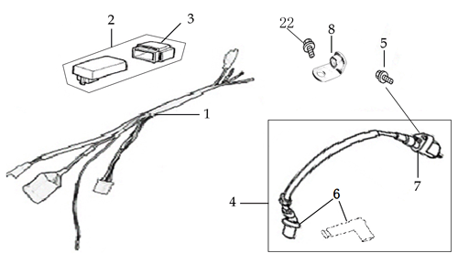
N° | Ref. | Description | Français | Picture | Qty/Bike | Model
1 | YC110-1501-20 | Wire harness Electric start engine 2020 (ALL BIKES 2220) | Faisceaux éléctrique 2020 (toutes motos electrique 2020) |  | 1 | L882022/L1252022/S1252022/S125S2022/P1252022/P1502022/B1252022/B1502022/BF1502022/SP22022//FT1472022
2 | YC110-01-05-WH | Cable tie L=350mm WHITE | collier maintien cable L=350mm BLANC |  | 1 | ALL BIKES 1222
3 | YC110-1503 | CDI Ignitor assy. | CDI |  | 1 | L881722/L1251622/S12522/S125SE1522/S125S1522/P1251322/P1501322/SM1251222/SM1501222/SP11222/SP22122/B1251722/B1501722/BF1501722/BFZ1901822/S1471822
4 | YC110-1504-07 | Ignitor coil L=350mm | bobine haute tension L=350mm |  | 1 | ALL BIKES1222(BUT50A/50E/SP3/BIGYFD200Mx) F88se22/F125se22/SP222/F125L22/F125s22/P12522/P15022/SM125s22/SM15022
5 | YC110-1505 | anti interference red | anti parasite rouge |  | 1 | ALL BIKES2012-2022(BUT50A/50E/SP3/BIGYFD200Mx) F88se22/F125se22/F125s22/SP222/F125L22/P12522/SM125s22/SM15022
6 | YC110-1504 | Ignitor coil (without anti interference) | bobine haute tension (sans anti parasite) |  | 1 | ALL BIKES 22
7 | YC110-1517-04 | Battery cable L=340mm RED 2020 | Cable pour Chargeur Batterie L=340mm ROUGE 2020 |  | 1 | SP11322/SP21322/B1251722/B1501722/BF1501722/BFZ1901822/S1471822
8 | YC110-1516-05 | Battery cable L=230mm BLACK 2020 | Cable pour Chargeur Batterie L=230mm NOIR 2020 |  | 1 | SP11322/SP21322/B1251722/B1501722/BF1501722/BFZ1901822
9 | YC110-1502-01 | rectifier for ENGINE 150-2 | Rectificateur 150-2 |  | 1 | 22-BIGY F-150E
...

